Script
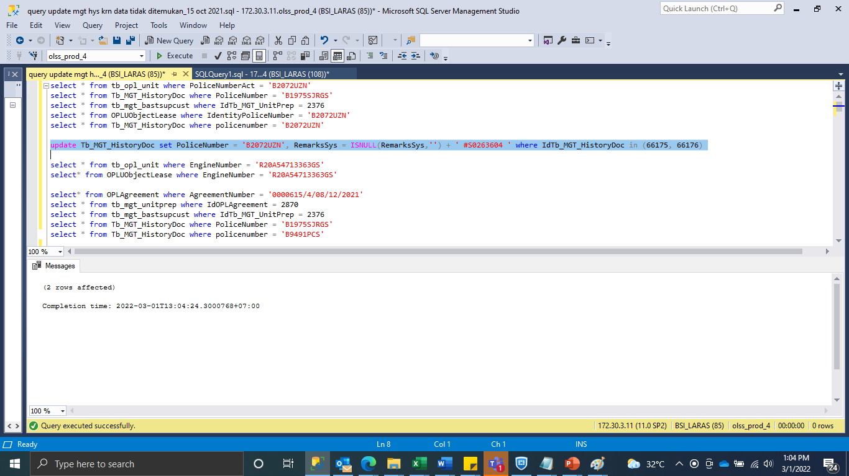
update Tb_MGT_HistoryDoc set PoliceNumber = 'B2072UZN', RemarksSys = ISNULL(RemarksSys,'') + ' #S0263604 ' where IdTb_MGT_HistoryDoc in (66175, 66176)

SS
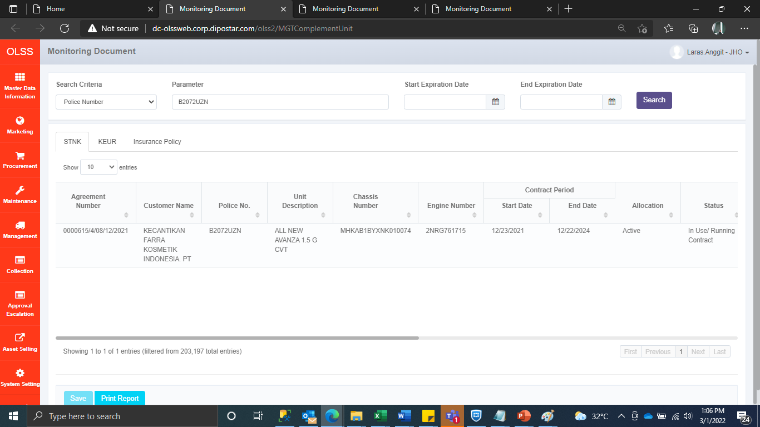
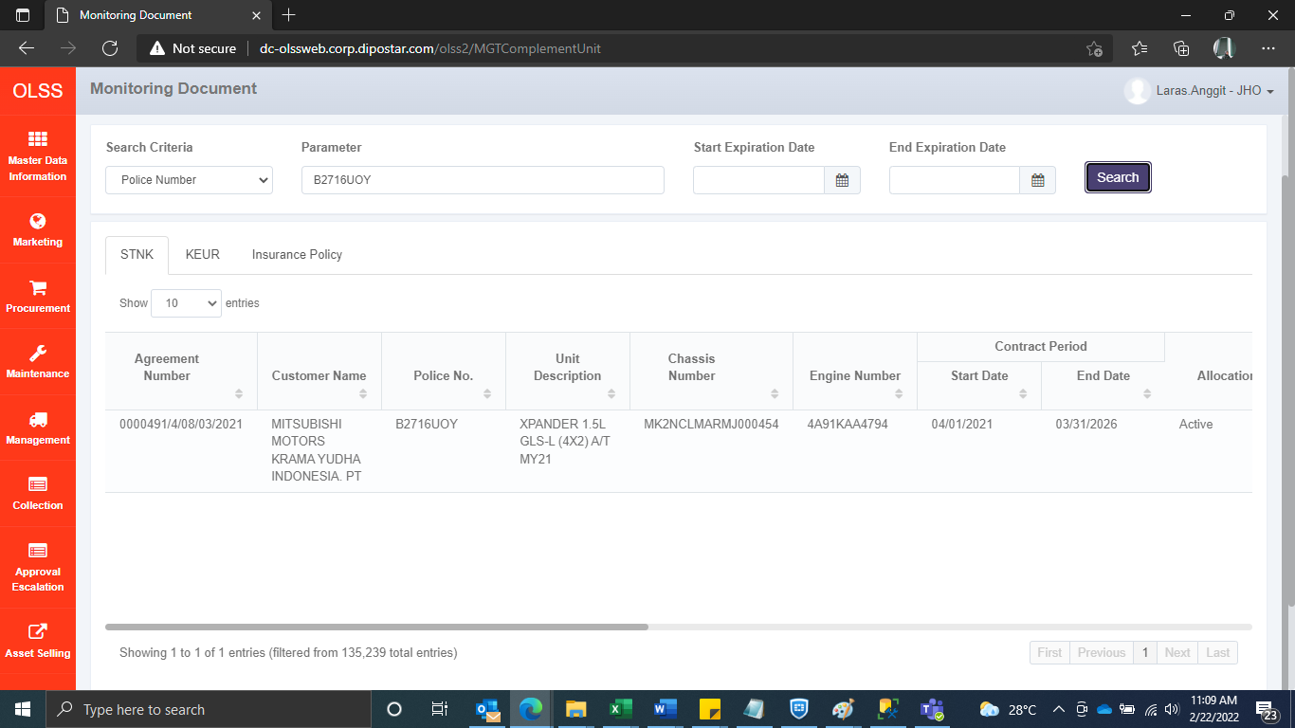
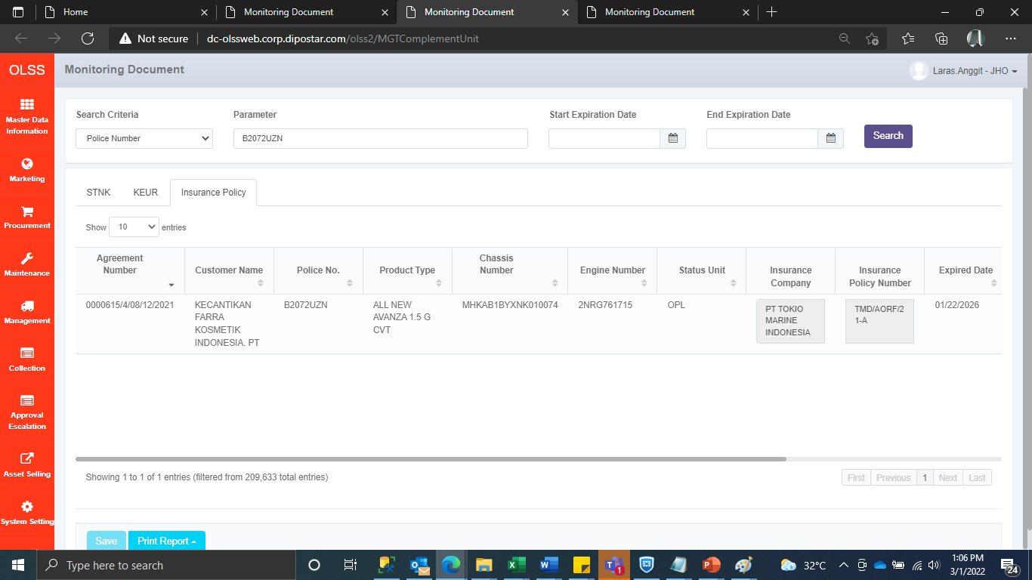
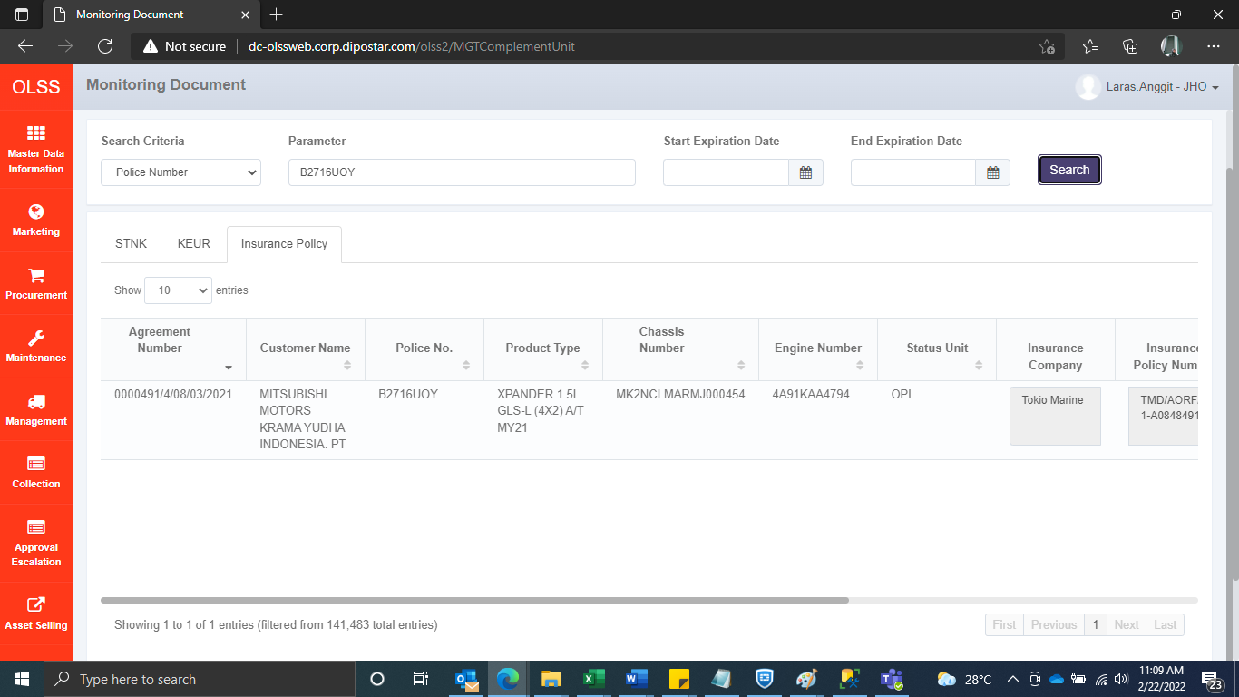
BEFORE



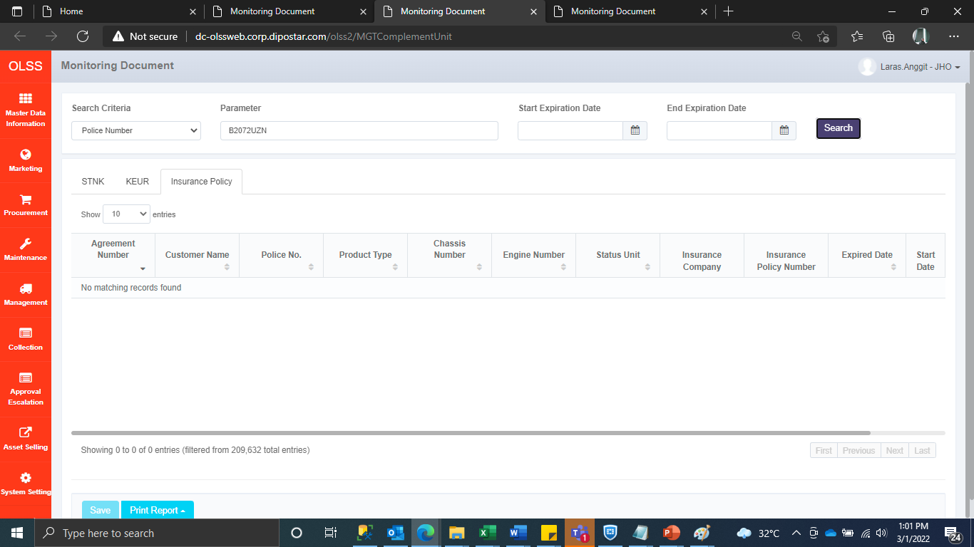


AFTER

